User Stories
USER STORIES (HU) iSoftware.ec

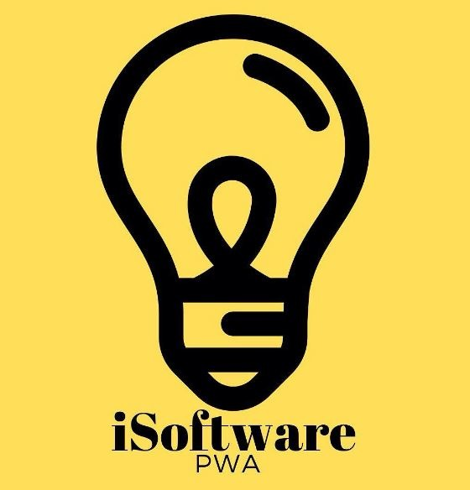
 | ITEM |  | USERNAME |  | STATUS
 | REQ005 |  | Administrator |  | Terminado

 | TIME |  | PRIORITY |  | PROG. RESP
 | 2 |  | Alta |  | Ligia Maldonado

 | WHAT | List Users |  | PARA QUE | Rerview the users registred in the system |  | COMO | Enter the user list module, click enter, the application displays the list of stored users

 | NAME STORY |  | List Users to the system

 | TEST |  | The interface shows the added users |  |  | COMMENTS | It is required to verify the information, when displaying the stored data

